Overview
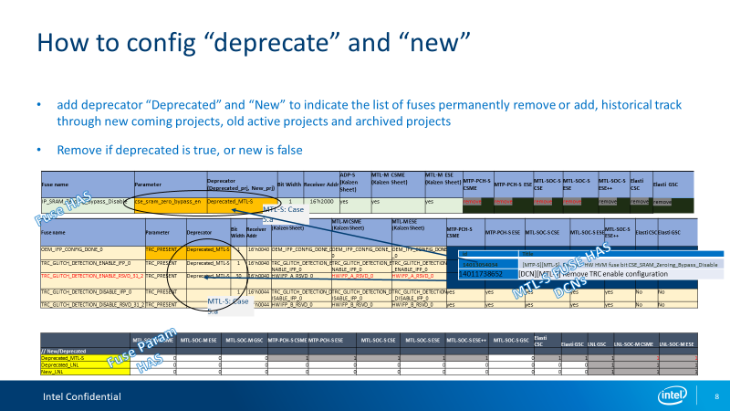
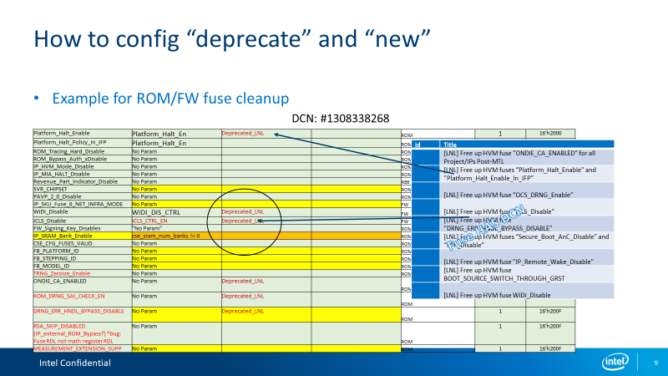
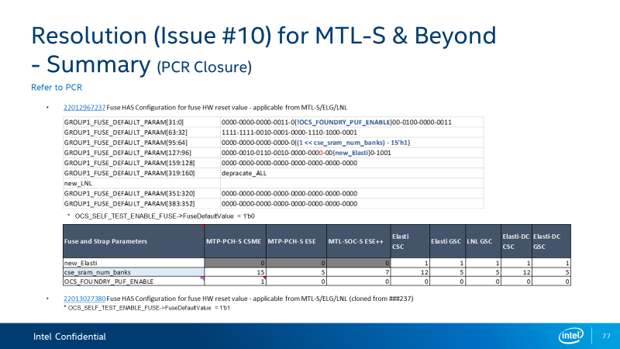
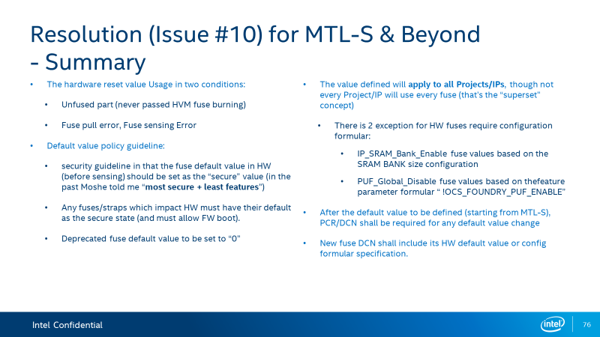
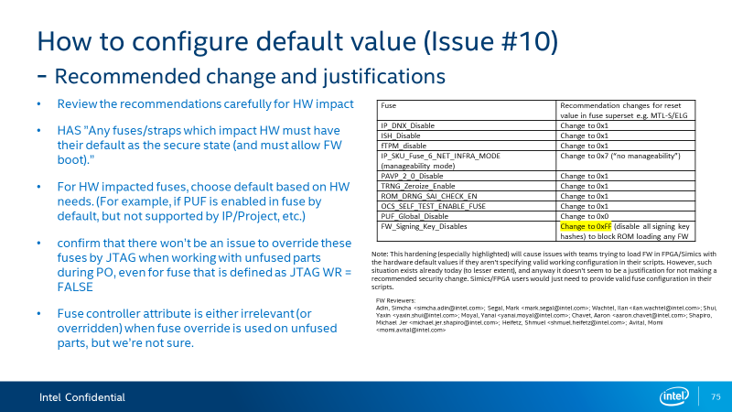
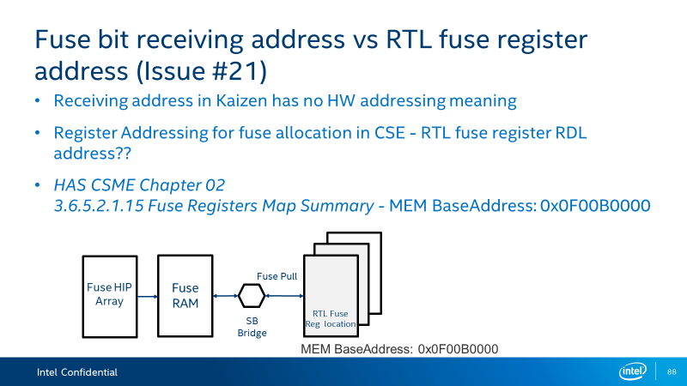
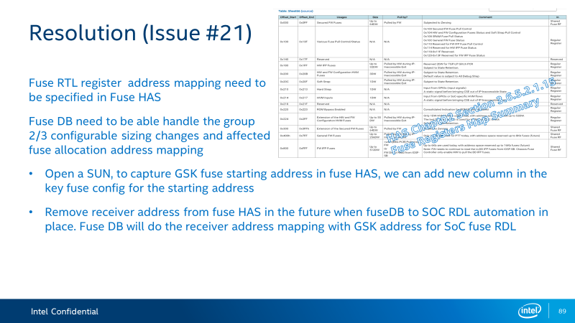
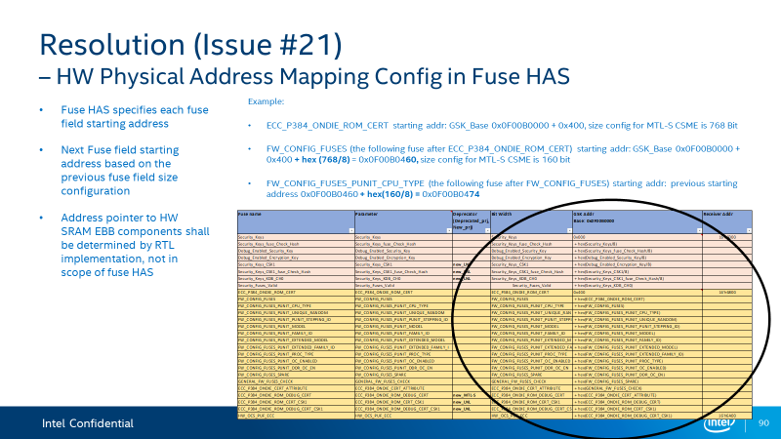
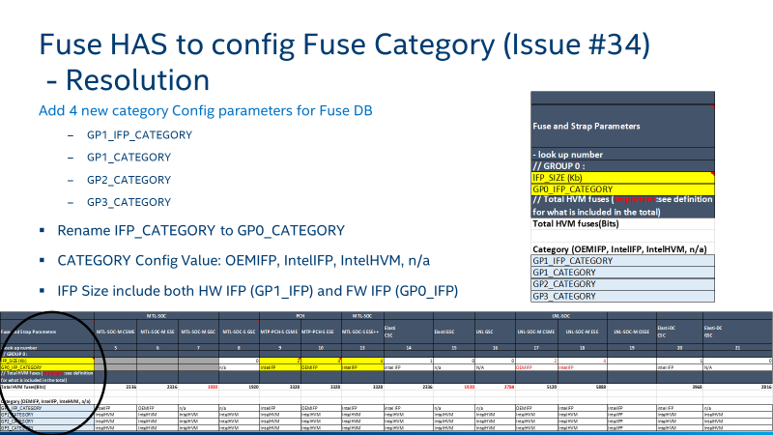
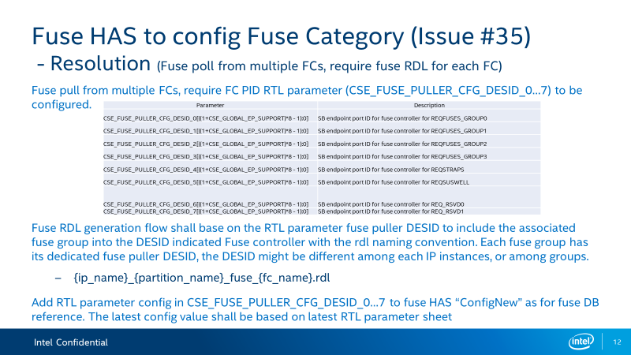
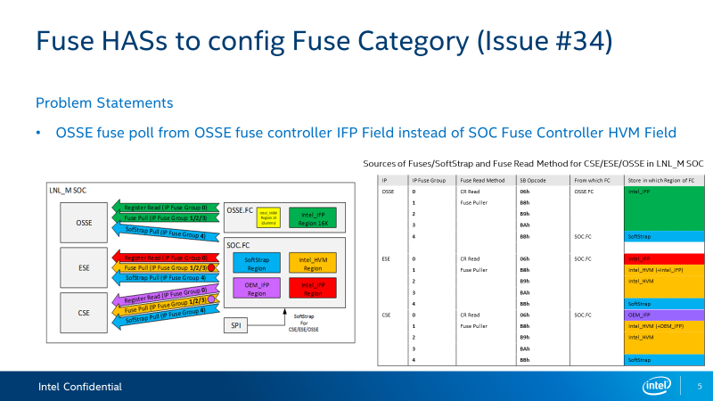
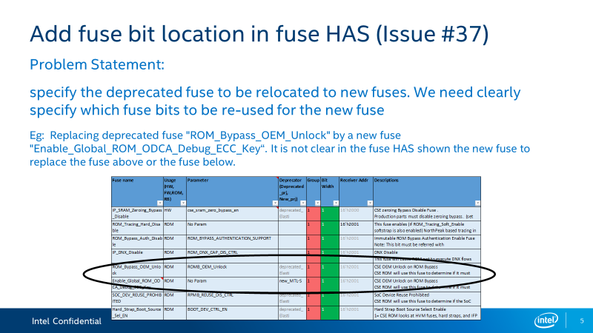
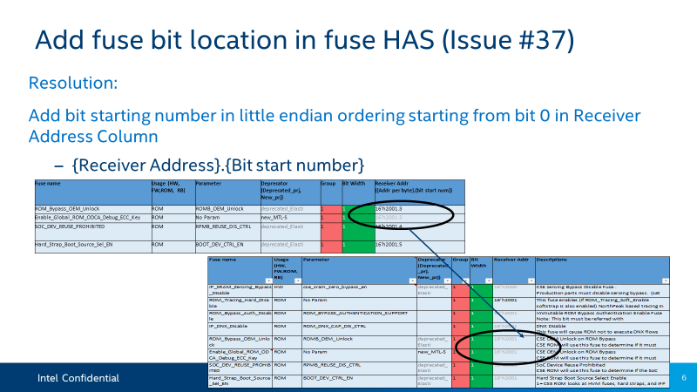
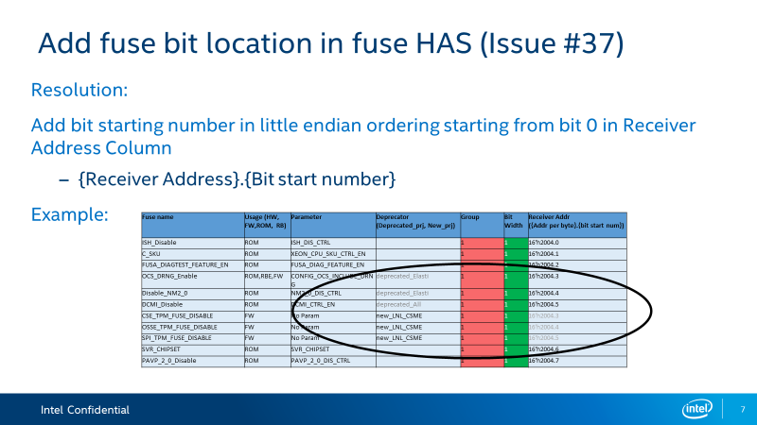
Central Architecture Fuse Configuration HAS Overview
This spreadsheet doccument is a cental architecture fuse configuration HAS (Aka Fuse HAS).
It defines each instance of CSxE/ESE/GSC security engine IP fuse configuration inclduing softstrap based on HW feature configuration for all on-going projects starting from MTL-S.
This spec shall be used as HW architecture spec for RDL generation of IP fuse RDL (IP fuse spec for on-die fuse controller) and fuse register RDL (IP fuse spec for IP internal fuse pull storage registers)

The fuse HAS contains SS.FuseCfg (refer current “CSxE_ESE_GSC_FuseCfg” page) and SS.ParamCfg (refer current “ConfigNew” Page)
SS.ParamCfg::"ConfigNew" | fuse parameter config page which specify parameter configure value pre IP instance.
SS.FuseCfg::CSxE_ESE_GSC_FuseCfg | Fuse config page which specfy the super set of CSxE/ESE/GSC fuses, feature characters and it configuration of present/absent/reserve based on the configuration parameter values specified in SS.ParamCfg
 | ADP-S, MTL-M CSME and MTL-M CSE Kaizen columns are for reference only.

The MTL-M tabs are retained for MTL-M execution and baseline reference for MTL-S and beyond.

SS.ParamCfg (refer current “ConfigNew” Page)
category | Notations | Specification
Group 1 | 1, 0 | 1- True, 0 – False per project, used in fuse config page parameter equation evaluation to determine yes (fuse present) or no (fuse reserve)
Group 2,3 | size | size>1 meaning fuse present, Size ==0 meaning fuse absent
IFP | Size and type of OEMIFP, IntelIFP | IFP Fuse config is captured in FAS
Deprecator | deprecated_PRJ, new_PRJ | 1-Perminatly remove/deprecate or add to superset fuse list starting project "PRJ",
 |  | 0-track the previous config till the project database is archived
Notes:
Deprecator indicates the list of fuses permanently remove or add, for historical track per project, the list of fuses associate to its deprecator must be requested through DCN CCB review and approval.
Deprecator is not used for fuse usage configuration. Once it is deprecated, the fuse will not be active for future project.

SS.FuseCfg (refer current “CSxE_ESE_GSC_FuseCfg” page)
SS.FuseCfg (super set fuse name and spare fuse name in column "Fuse Name") : deprecated fuses and Spare fuses can be potentially re-located for future new fuses
SS.FuseCfg (Equation in Column “Parameter”) = f(Fuse.Param, Feature.Param)
SS.FuseCfg (Reset default value, A0 Default value, Feature, attributes configuration) = f(Fuse.Param, Feature.Param)
SS.FuseCfg (Fuse Field starting Address offset at HW GSK Address Base Column "GSK Addr") = f(Fuse.Param, Feature.Param, previous fuse starting address)
SS.FuseCfg (Fuse Category in Column "Category") = f(Fuse.Category.Param)
SS.FuseCfg (deprecator identification in Column "Deprecator") = f(Fuse.depreactor) : Shall not have comments or notes in the deprecator field. Eg: deprecated_MTL-S (used in Elasti). "used in Elasti" is redundant info, shall follow deprecated_MTL-S configuration in ConfigNew page

Category | Receive Address offset
IntelIFP1,2,3 / OEMIFP | 0x0000
IntelHVM | 0x2000
IntelHVM Security Fuse | 0x6000
SoftStrap | 0x8000
* Hardstraps | PCH CSME DNX support need hard strap. Non in ESE and CSE (Eli and MB agree)
* DFX* IFP uesed by DFX aggreator HW | tracked by DFX team (@Prabhakar, Bhavana.), currently not tracked in CSME Fuse HAS

Group | Notation Spec
Group 0 | ROM/FW IFP
Group 1 | ROM/HW Cfg HVM Fuse + HW IFP
Group 2 | General ROM/FW HVM fuse
Group 3 | ROM Security HVM Fuse
Group 4 | Soft Straps

Fuse Config HAS (in Column “IP Name” eg: MTP-PCH-S CSME)
Configure per IP Instance | Notation Spec | Descriptions
yes | Preset (Parameter equation is True, or "No Param", or "Spare“) | in use , Parameter Equation is true
no | Reserved (Parameter equation is false), 32-bit in group 1 can be removed but 1 bit cannot. Fuse array CRC pre-expect as byte boundary | Parameter Equation is false. For (GSK_FUSES_LO/MID/HIGH and GSK_FUSES_HW_CFG ) no implies fuse is not used in the engine but space is retained for the use case that fuse supports. For (GSK_FUSES_LO/MID/HIGH and GSK_FUSES_HW_CFG ) Spare fuses are reserved for configuration of furture use case. Other HVM fuses (GSK_FUSES_TRC_CONFIG,GSK_SPARE_FUSES_HW_CFG,GSK_FUSES_ROM_CFG,CFMIA_RF_REPAIR_FUSES,PG_RF_REPAIR_FUSES,AON_RF_REPAIR_FUSES) are physically removed (RDL + RTL) when the parameter equation is false and no implies there is no physical allocation. For IFPs no implies that the IFP fuse is physically removed to save HW IFP area. Even if the IFP is removed from the RDL. Since HW IFP logical address remains the same. It will not cause ROM or FW IFPs address to change in the floorplan if the HW IFP is re-introduced in future projects (This is confirmed by kakeda). For Softstrap No implies that soft strap does not exist and is not physically allocated in RDL and RTL. For Spare Softstraps no implies that Softstrap exists but reserved for future use case.
remove | Absent (deprecator is true, eg: deprecated_prj ==1, or new_prj==0 ) | PCR/DCN physically removed fuse wire and the Fuse has been deprecated. And only exists in this spreadsheet to show the previous SOCs which use that fuse. For (GSK_FUSES_LO/MID/HIGH and GSK_FUSES_HW_CFG ) removed implies fuse is not used in any engine and is marked as spare fuse.
* ROM/FW/RBE only usage fuses are superset active fuses, must be kept “yes”, not config across project and IP instance unless DCN request filed to remove permanently
Column "Fuse OOB Wire definition" for GSC | For GSC Fuse OOB Wire name is same as the Fuse/softstrap name for Group2/Group3 fuses /Group4 softstraps. For Group1 Fuses - Fuse OOB wire name is same as the fuse name except GSK_FUSES_LO/MID/HIGH and GSK_FUSES_HW_CFG which mapepd to wire as below CSME_HW_FW_Config_fuses [31:0] = GSK_FUSES_L0 CSME_HW_FW_Config_fuses [63:32]=GSK_FUSES_MID CSME_HW_FW_Config_fuses [95:64]=GSK_FUSES_HI CSME_HW_FW_Config_fuses [127:96]=GSK_FUSES_HW_CFG

Endianess | Endianess followed in this document is little endian. LSB is stored at a lowest address. Fuses written into register also follow little endianess.

Reviewers
ROM: Chavet, Aaron <aaron.chavet@intel.com>; Tsikinovsky, Viacheslav <viacheslav.tsikinovsky@intel.com>; Heifetz, Shmuel <shmuel.heifetz@intel.com> ; Avraham, Yonatan <yonatan.avraham@intel.com>; Eidensohn, Moshe <moshe.eidensohn@intel.com>
FW/SYS: Kupermann, Eli <eli.kupermann@intel.com>; Berger, Michael <michael.berger@intel.com>; Moyal, Yanai <yanai.moyal@intel.com>; Hod, Bracha <Bracha.Hod@intel.com>; Agranovsky, Elena <elena.agranovsky@intel.com>; Rubin, Hadas <hadas.rubin@intel.com>
FuseBoard/Fuse Controler: Loke, Eng Hong <eng.hong.loke@intel.com>; Naki, Yehudit <yehudit.naki@intel.com>
HW design FuseDB: Durgaraju, Chaitanya <chaitanya.durgaraju@intel.com>; Patel, Mohit V <mohit.v.patel@intel.com>; Effendy, Jusak <jusak.effendy@intel.com>
HW Arch: Khee Wooi HW arch WG, Yaxin Fuse HAS WG
FW Arch (Client): Rubin, Hadas <hadas.rubin@intel.com>; Kupermann, Eli <eli.kupermann@intel.com>; Moyal, Yanai <yanai.moyal@intel.com>; Wachtel, Ilan <ilan.wachtel@intel.com>; Agranovsky, Elena <elena.agranovsky@intel.com>; Naki, Yehudit <yehudit.naki@intel.com>; Segal, Mark <mark.segal@intel.com>; Shapiro, Michael Jer <michael.jer.shapiro@intel.com>; Adin, Simcha <simcha.adin@intel.com>; Okroj, Mariusz <mariusz.okroj@intel.com>; Pietrolaj, Mariusz <mariusz.pietrolaj@intel.com>
FW (SPS Server): Okroj, Mariusz <mariusz.okroj@intel.com>; Pietrolaj, Mariusz <mariusz.pietrolaj@intel.com>

